2024 barley variety results
AHDB Cereals & Oilseeds barley variety survey results 2024
Source: AHDB
Units: %
Last updated: 05/07/2024
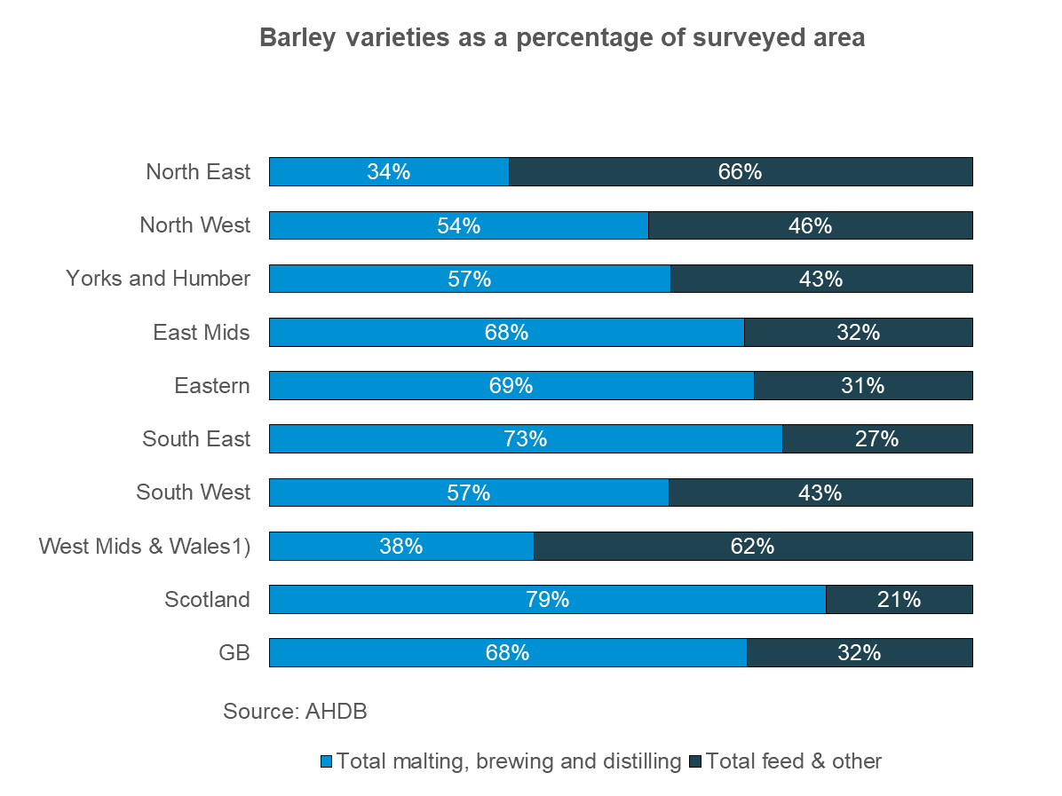

 | GB barley varieties as a percentage of surveyed area

 | GB planting survey barley area estimate: |  | 1,185 | Kha

 | Variety | % of total
 | Laureate | 40%
 | RGT Planet | 8%
 | KWS Tardis | 7%
 | Skyway | 7%
 | LG Diablo | 6%
 | Other* | 32%

 | Notes
 | The barley variety survey area was approximately 55,000 hectares which represents 5% of the total 2024 GB area estimate.
 | Malting, brewing and distilling: Varieties with full approval only on the Malting Barley Committee's Approved List for harvest 2024 (including Special Use).
 | Breakdown at regional levels are based on smaller sample sizes than at the GB level and are therefore subject to more uncertainty.
 | 1) Due to a low response rate, West Midlands and Wales have been combined.
 | *Other varieties each make up less than 5% of the surveyed area or do not meet the thresholds for publication.
 | Totals may not agree due to rounding.

